Example Background
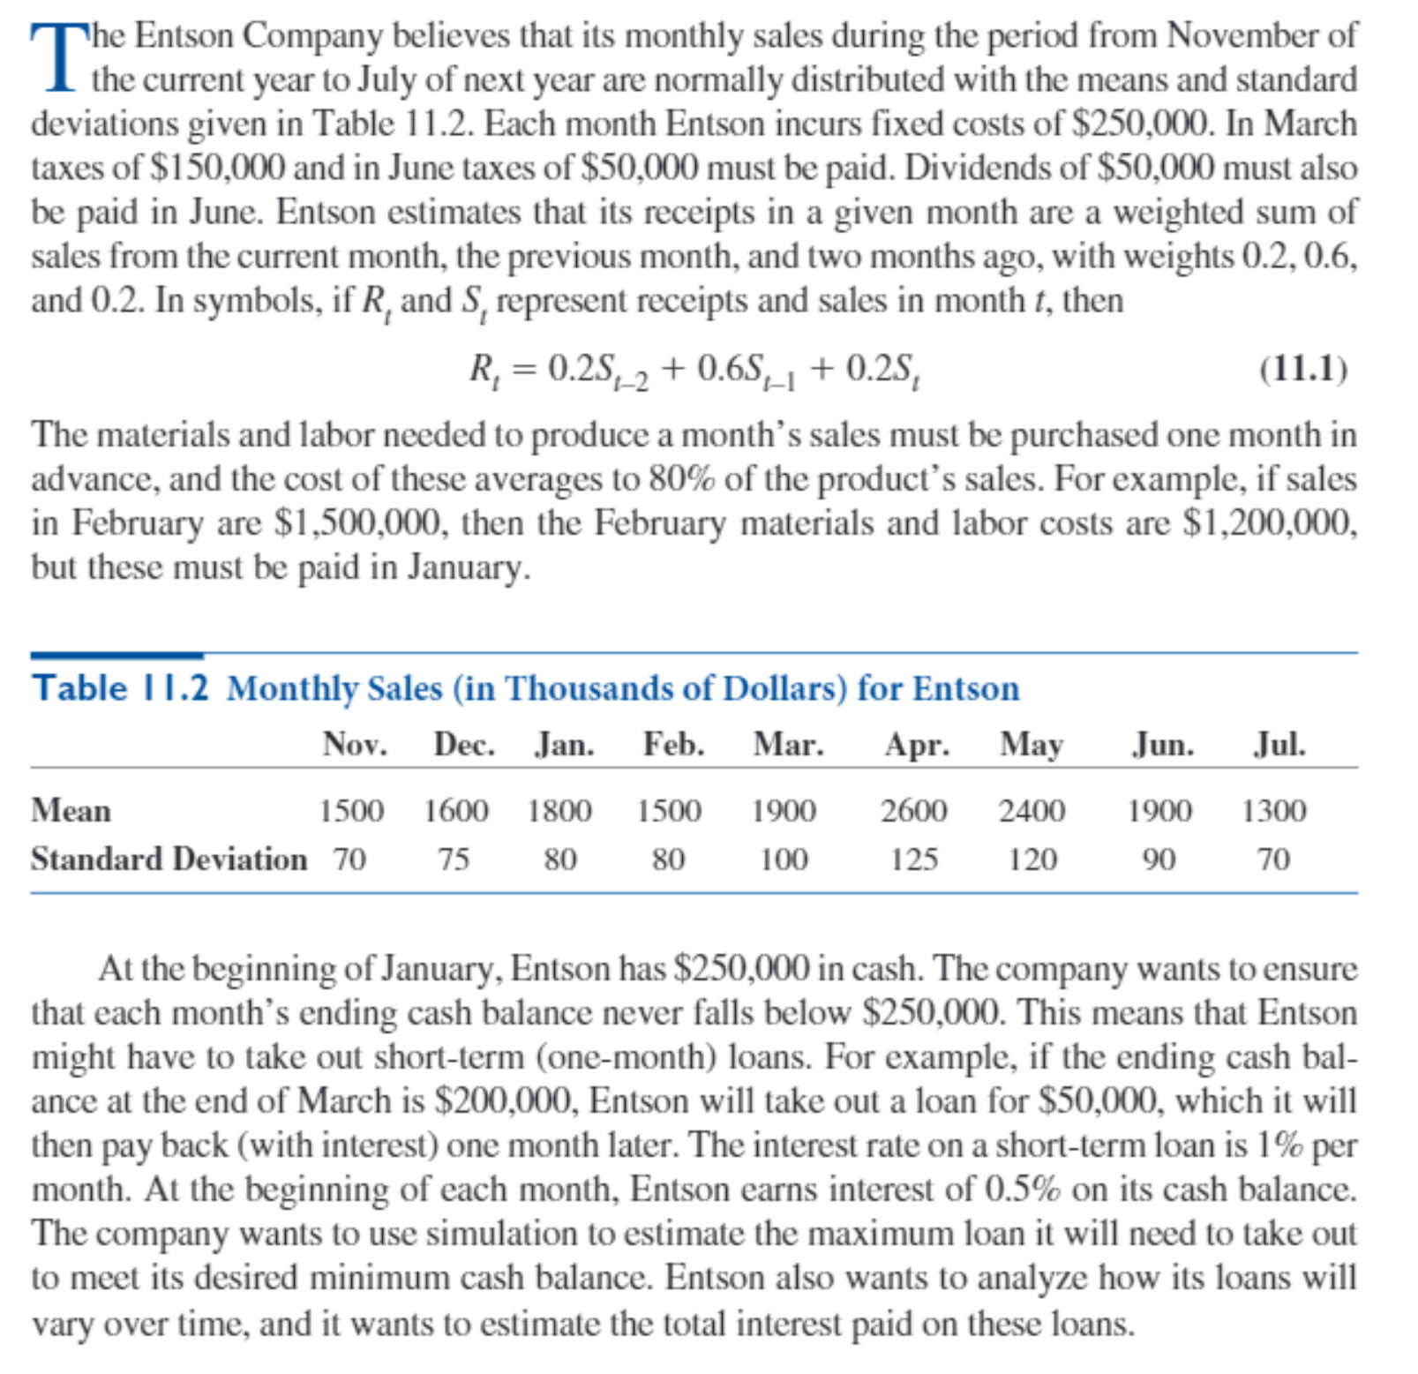

Big Picture
Maintaining a Minimum Cash Balance

Sales
Timing of receipts

Initial cash in January
Beginning cash balance
Interest on cash balance
Interest rate on cash
Receipts

Material, labor cost as % of sales
Material, labor costs
Fixed costs
Tax, dividend expenses
Loan payback (principal + interest)
Interest rate on loan

Cash balance before loan
Timing of receipts

Final cash balance
Loan amount (if any)
Minimum cash balance

Total interest on loans
Maximum loan

Model
All monetary values are in $1000s.
Entson cash balance simulation

Inputs
Distribution of monthly sales (normal)
 | Nov | Dec | Jan | Feb | Mar | Apr | May | Jun | Jul
Mean | 1500 | 1600 | 1800 | 1500 | 1900 | 2600 | 2400 | 1900 | 1300
St Dev | 70 | 75 | 80 | 80 | 100 | 125 | 120 | 90 | 70

One user suggested that the formula for total interest in cell B46 should sum only through June, i.e., not include July. You could argue it either way, so feel free to change the formula in cell B46 if you like.
Monthly fixed cost |  |  | 250 | 250 | 250 | 250 | 250 | 250
Tax, dividend expenses |  |  | 0 | 0 | 150 | 0 | 0 | 100

Receipts in any month are of form: A*(sales from 2 months ago)+B*(previous month's sales)+C*(current month's sales), where:
 | A | B | C
 | 0.2 | 0.6 | 0.2

Cost of materials and labor for next month, spent this month, is a percentage of product's sales from next month, where the percentage is:
 | 80%

Initial cash in January | 250
Minimum cash balance | 250

Monthly interest rates
Interest rate on loan | 1.0%
Interest rate on cash | 0.5%

Simulation
 | Nov | Dec | Jan | Feb | Mar | Apr | May | Jun | Jul
Actual sales | 1490.649 | 1665.342 | 1799.472 | 1430.357 | 1939.096 | 2571.605 | 2283.637 | 2063.506 | 1238.438

Cash, receipts
Beginning cash balance |  |  | 250.000 | 514.194 | 414.311 | 250.000 | 250.000 | 737.955
Interest on cash balance |  |  | 1.250 | 2.571 | 2.072 | 1.250 | 1.250 | 3.690
Receipts |  |  | 1657.229 | 1698.823 | 1605.928 | 1963.850 | 2387.510 | 2297.205
Costs
Fixed costs |  |  | 250 | 250 | 250 | 250 | 250 | 250
Tax, dividend expenses |  |  | 0 | 0 | 150 | 0 | 0 | 100
Material, labor expenses |  |  | 1144.286 | 1551.277 | 2057.284 | 1826.910 | 1650.805 | 990.750
Loan payback (principal) |  |  |  | 0.000 | 0.000 | 684.974 | 111.809 | 0.000 | 0.000
Loan payback (interest) |  |  |  | 0.000 | 0.000 | 6.850 | 1.118 | 0.000 | 0.000

Cash balance before loan |  |  | 514.194 | 414.311 | -434.974 | 138.191 | 737.955 | 1698.099
Loan amount (if any) |  |  | 0.000 | 0.000 | 684.974 | 111.809 | 0.000 | 0.000
Final cash balance |  |  | 514.194 | 414.311 | 250.000 | 250.000 | 737.955 | 1698.099

Maximum loan | 684.974
Total intest on loans | 7.968

Simulation | Max Loan | Total Interest | Loan at Jan | Loan at Feb | Loan at Mar | Loan at Apr | Loan at May | Loan at Jun
 | 684.974 | 7.968 | 0.000 | 0.000 | 684.974 | 111.809 | 0.000 | 0.000
1 | 586.79097881 | 10.168671556 | 0 | 0 | 586.79097881 | 430.07617677 | 0 | 0
2 | 912.51746341 | 11.213131307 | 0 | 0 | 912.51746341 | 208.79566732 | 0 | 0
3 | 451.78550457 | 7.1263761894 | 0 | 0 | 451.78550457 | 260.85211437 | 0 | 0
4 | 838.25045509 | 10.640767361 | 0 | 0 | 838.25045509 | 225.82628104 | 0 | 0
5 | 691.9997342 | 7.048748251 | 0 | 0 | 691.9997342 | 12.8750909 | 0 | 0
6 | 821.3375804 | 9.3004662342 | 0 | 0 | 821.3375804 | 108.70904302 | 0 | 0
7 | 858.3232025 | 10.619059626 | 0 | 96.621572777 | 858.3232025 | 106.96118734 | 0 | 0
8 | 524.4812537 | 7.4097666729 | 0 | 0 | 524.4812537 | 216.4954136 | 0 | 0
9 | 736.63896101 | 11.253728999 | 0 | 0 | 736.63896101 | 388.73393885 | 0 | 0
10 | 1074.322686 | 10.875582199 | 0 | 0 | 1074.322686 | 13.235533903 | 0 | 0
11 | 825.08007474 | 10.833282022 | 0 | 0 | 825.08007474 | 258.24812749 | 0 | 0
12 | 706.85589367 | 9.4209541001 | 0 | 119.68473698 | 706.85589367 | 115.55477936 | 0 | 0
13 | 672.6606956 | 7.7688218172 | 0 | 0 | 672.6606956 | 104.22148612 | 0 | 0
14 | 720.76433687 | 10.034619637 | 0 | 0 | 720.76433687 | 282.69762683 | 0 | 0
15 | 638.1012441 | 7.4798912695 | 0 | 0 | 638.1012441 | 109.88788285 | 0 | 0
16 | 743.49197713 | 8.3327144838 | 0 | 0 | 743.49197713 | 89.77947125 | 0 | 0
17 | 662.38270373 | 7.0319292665 | 0 | 0 | 662.38270373 | 40.810222917 | 0 | 0
18 | 718.91933738 | 8.8611188365 | 0 | 0 | 718.91933738 | 167.19254627 | 0 | 0
19 | 715.88526601 | 10.827304629 | 0 | 0 | 715.88526601 | 366.84519686 | 0 | 0
20 | 821.70992237 | 9.7847733785 | 0 | 0 | 821.70992237 | 156.76741548 | 0 | 0
21 | 654.72328066 | 9.065500799 | 0 | 0 | 654.72328066 | 251.82679925 | 0 | 0
22 | 944.32315973 | 11.81968406 | 0 | 12.769384101 | 944.32315973 | 224.87586222 | 0 | 0
23 | 812.4046186 | 11.068702061 | 0 | 0 | 812.4046186 | 294.46558752 | 0 | 0
24 | 739.39622234 | 10.08037812 | 0 | 0 | 739.39622234 | 268.64158967 | 0 | 0
25 | 828.97689992 | 9.5611818107 | 0 | 0 | 828.97689992 | 127.14128116 | 0 | 0
26 | 734.86794722 | 7.5078311794 | 0 | 0 | 734.86794722 | 15.915170717 | 0 | 0
27 | 658.42836983 | 10.63112908 | 28.19191768 | 0 | 658.42836983 | 376.49262052 | 0 | 0
28 | 811.19459881 | 10.454422808 | 0 | 106.42314225 | 811.19459881 | 127.82453972 | 0 | 0
29 | 872.05171301 | 10.542493857 | 0 | 102.59810689 | 872.05171301 | 79.599565798 | 0 | 0
30 | 803.92092237 | 11.188051303 | 0 | 0 | 803.92092237 | 314.88420798 | 0 | 0
31 | 936.06939118 | 12.882434658 | 0 | 0 | 936.06939118 | 352.17407464 | 0 | 0
32 | 671.97840992 | 9.9418615168 | 0 | 0 | 671.97840992 | 322.20774176 | 0 | 0
33 | 814.88958411 | 13.1918042 | 0 | 0 | 814.88958411 | 504.2908359 | 0 | 0
34 | 826.95335589 | 10.664309671 | 0 | 0 | 826.95335589 | 239.47761119 | 0 | 0
35 | 772.718217 | 9.444010175 | 0 | 0 | 772.718217 | 171.6828005 | 0 | 0
36 | 969.08170501 | 11.112108196 | 0 | 0 | 969.08170501 | 142.12911462 | 0 | 0
37 | 929.52119305 | 11.326475572 | 0 | 74.60367311 | 929.52119305 | 128.52269101 | 0 | 0
38 | 759.63869137 | 7.8163054645 | 0 | 21.991855081 | 759.63869137 | 0 | 0 | 0
39 | 779.20184455 | 11.799346367 | 0 | 0 | 779.20184455 | 400.73279218 | 0 | 0
40 | 800.67662606 | 8.6646527791 | 0 | 0 | 800.67662606 | 65.788651857 | 0 | 0
41 | 534.51416372 | 7.740868898 | 0 | 0 | 534.51416372 | 239.57272608 | 0 | 0
42 | 571.12169314 | 8.9998607331 | 0 | 0 | 571.12169314 | 328.86438016 | 0 | 0
43 | 642.20158486 | 10.565546813 | 0 | 0 | 642.20158486 | 414.35309645 | 0 | 0
44 | 499.91359917 | 8.1485572498 | 0 | 0 | 499.91359917 | 314.94212581 | 0 | 0
45 | 832.37587079 | 10.766381585 | 0 | 0 | 832.37587079 | 244.26228767 | 0 | 0
46 | 726.24437459 | 10.269996084 | 0 | 0 | 726.24437459 | 300.75523381 | 0 | 0
47 | 748.47780448 | 8.2447544802 | 0 | 0 | 748.47780448 | 75.997643541 | 0 | 0
48 | 715.17235443 | 11.489183829 | 0 | 0 | 715.17235443 | 433.74602847 | 0 | 0
49 | 740.90825957 | 8.2502768237 | 0 | 0 | 740.90825957 | 84.119422795 | 0 | 0
50 | 497.31321466 | 9.5761347553 | 0 | 0 | 497.31321466 | 460.30026087 | 0 | 0
51 | 521.74318736 | 7.2587921169 | 0 | 0 | 521.74318736 | 204.13602433 | 0 | 0
52 | 800.90955256 | 9.4052326933 | 0 | 131.29667079 | 800.90955256 | 8.3170459825 | 0 | 0
53 | 847.48021403 | 9.9657750006 | 0 | 18.858404872 | 847.48021403 | 130.23888116 | 0 | 0
54 | 848.14861053 | 10.197335807 | 0 | 0 | 848.14861053 | 171.58497018 | 0 | 0
55 | 540.92067134 | 6.8872899465 | 0 | 0 | 540.92067134 | 147.80832331 | 0 | 0
56 | 831.97523335 | 12.11073488 | 0 | 0 | 831.97523335 | 379.09825469 | 0 | 0
57 | 489.01067256 | 7.5589634303 | 0 | 0 | 489.01067256 | 266.88567047 | 0 | 0
58 | 904.23111074 | 12.929998991 | 0 | 0 | 904.23111074 | 388.76878833 | 0 | 0
59 | 819.70279742 | 11.25681809 | 0 | 0 | 819.70279742 | 305.97901158 | 0 | 0
60 | 943.42059684 | 10.811051797 | 0 | 0 | 943.42059684 | 137.68458286 | 0 | 0
61 | 708.50198602 | 8.4090641701 | 0 | 0 | 708.50198602 | 132.40443098 | 0 | 0
62 | 692.35061495 | 6.9235061495 | 0 | 0 | 692.35061495 | 0 | 0 | 0
63 | 953.14749263 | 11.315851477 | 0 | 0 | 953.14749263 | 178.43765506 | 0 | 0
64 | 619.26556236 | 6.1926556236 | 0 | 0 | 619.26556236 | 0 | 0 | 0
65 | 546.76974925 | 9.3318075171 | 0 | 0 | 546.76974925 | 386.41100247 | 0 | 0
66 | 517.56607929 | 6.8984163564 | 0 | 0 | 517.56607929 | 172.27555635 | 0 | 0
67 | 716.55574862 | 7.9001444844 | 0 | 0 | 716.55574862 | 73.458699827 | 0 | 0
68 | 569.55359011 | 8.1580633829 | 0 | 0 | 569.55359011 | 246.25274817 | 0 | 0
69 | 859.12089622 | 11.096152877 | 0 | 100.71825718 | 859.12089622 | 149.77613426 | 0 | 0
70 | 813.12844061 | 9.7226705608 | 0 | 18.05583032 | 813.12844061 | 141.08278514 | 0 | 0
71 | 957.28631353 | 13.177695385 | 0 | 109.00352266 | 957.28631353 | 251.47970233 | 0 | 0
72 | 672.73785301 | 9.7245968729 | 0 | 0 | 672.73785301 | 299.72183428 | 0 | 0
73 | 420.49768834 | 6.5168896053 | 0 | 0 | 420.49768834 | 231.19127218 | 0 | 0
74 | 801.13498256 | 9.7082835695 | 0 | 29.961665548 | 801.13498256 | 139.73170884 | 0 | 0
75 | 533.70262264 | 7.4836021957 | 0 | 0 | 533.70262264 | 214.65759693 | 0 | 0
76 | 699.3285184 | 9.6569721979 | 0 | 0 | 699.3285184 | 266.3687014 | 0 | 0
77 | 852.26820438 | 11.227344954 | 37.064402158 | 0 | 852.26820438 | 233.40188891 | 0 | 0
78 | 669.38226795 | 8.8412098387 | 0 | 0 | 669.38226795 | 214.73871592 | 0 | 0
79 | 880.74857052 | 10.742271233 | 0 | 52.840138115 | 880.74857052 | 140.63841464 | 0 | 0
80 | 711.26184122 | 9.5440429867 | 0 | 42.32930973 | 711.26184122 | 200.81314773 | 0 | 0
81 | 807.01975038 | 11.300017312 | 0 | 53.526635214 | 807.01975038 | 269.4553456 | 0 | 0
82 | 701.85096439 | 10.429519075 | 0 | 0 | 701.85096439 | 341.10094309 | 0 | 0
83 | 511.18640447 | 7.4566711113 | 0 | 0 | 511.18640447 | 234.48070666 | 0 | 0
84 | 585.27115001 | 8.4932099888 | 0 | 0 | 585.27115001 | 264.04984887 | 0 | 0
85 | 601.25274918 | 10.198045783 | 0 | 0 | 601.25274918 | 418.55182915 | 0 | 0
86 | 814.95543826 | 8.4808690196 | 0 | 0 | 814.95543826 | 33.1314637 | 0 | 0
87 | 800.7116516 | 9.5638487559 | 0 | 0 | 800.7116516 | 155.67322399 | 0 | 0
88 | 671.13971124 | 9.6045941163 | 0 | 0 | 671.13971124 | 289.3197004 | 0 | 0
89 | 364.44085196 | 5.5576897788 | 0 | 0 | 364.44085196 | 191.32812592 | 0 | 0
90 | 771.72336669 | 9.7065292508 | 0 | 0 | 771.72336669 | 198.92955839 | 0 | 0
91 | 788.47462262 | 8.7157481636 | 0 | 0 | 788.47462262 | 83.10019374 | 0 | 0
92 | 833.69479318 | 9.8075730818 | 0 | 0 | 833.69479318 | 147.062515 | 0 | 0
93 | 655.50978662 | 8.4796364634 | 0 | 0 | 655.50978662 | 192.45385972 | 0 | 0
94 | 751.72185322 | 10.317185342 | 0 | 0 | 751.72185322 | 279.99668096 | 0 | 0
95 | 739.92861823 | 9.2641484312 | 0 | 0 | 739.92861823 | 186.48622489 | 0 | 0
96 | 737.85384112 | 10.366218081 | 0 | 81.927723855 | 737.85384112 | 216.84024316 | 0 | 0
97 | 459.79762918 | 7.1712433842 | 0 | 0 | 459.79762918 | 257.32670924 | 0 | 0
98 | 804.41326352 | 11.464391019 | 0 | 0 | 804.41326352 | 342.02583839 | 0 | 0
99 | 652.61960184 | 6.7884285293 | 0 | 0 | 652.61960184 | 26.223251095 | 0 | 0
100 | 824.27798294 | 9.4779852584 | 0 | 0 | 824.27798294 | 123.52054289 | 0 | 0
101 | 621.37965615 | 8.5148687828 | 0 | 0 | 621.37965615 | 230.10722213 | 0 | 0
102 | 542.17274483 | 8.5498351007 | 0 | 0 | 542.17274483 | 312.81076524 | 0 | 0
103 | 412.04970214 | 6.7895187654 | 0 | 0 | 412.04970214 | 266.9021744 | 0 | 0
104 | 1023.7982275 | 12.47235178 | 0 | 0 | 1023.7982275 | 223.43695049 | 0 | 0
105 | 570.55053272 | 9.9648962167 | 3.2228767947 | 131.10332845 | 570.55053272 | 291.61288371 | 0 | 0
106 | 696.97470946 | 10.722933742 | 0 | 0 | 696.97470946 | 375.31866472 | 0 | 0
107 | 503.22254641 | 7.0459221014 | 0 | 0 | 503.22254641 | 201.36966373 | 0 | 0
108 | 946.2815161 | 11.213675662 | 0 | 0 | 946.2815161 | 175.08605008 | 0 | 0
109 | 773.96723254 | 10.198480006 | 0 | 0 | 773.96723254 | 245.88076803 | 0 | 0
110 | 713.97786561 | 7.1397786561 | 0 | 0 | 713.97786561 | 0 | 0 | 0
111 | 728.16370233 | 8.9190734227 | 0 | 0 | 728.16370233 | 163.74363994 | 0 | 0
112 | 664.19741275 | 8.8391630488 | 0 | 0 | 664.19741275 | 219.71889214 | 0 | 0
113 | 565.24241984 | 6.9851166662 | 0 | 0 | 565.24241984 | 133.26924679 | 0 | 0
114 | 837.87918814 | 9.4976259132 | 0 | 18.682999315 | 837.87918814 | 93.200403862 | 0 | 0
115 | 735.92657148 | 10.467915302 | 0 | 177.91244877 | 735.92657148 | 132.95250994 | 0 | 0
116 | 671.27745854 | 10.418919099 | 0 | 0 | 671.27745854 | 370.61445136 | 0 | 0
117 | 758.99366034 | 8.979150018 | 0 | 0 | 758.99366034 | 138.92134146 | 0 | 0
118 | 615.15449802 | 8.3534126351 | 0 | 0 | 615.15449802 | 220.18676549 | 0 | 0
119 | 444.58652255 | 6.6164533453 | 0 | 0 | 444.58652255 | 217.05881198 | 0 | 0
120 | 818.62320374 | 8.2410672858 | 0 | 5.4835248354 | 818.62320374 | 0 | 0 | 0
121 | 349.84608398 | 6.6885952924 | 0 | 0 | 349.84608398 | 319.01344527 | 0 | 0
122 | 702.29154114 | 8.5748674528 | 0 | 0 | 702.29154114 | 155.19520415 | 0 | 0
123 | 647.84540187 | 9.7793783895 | 0 | 0 | 647.84540187 | 330.09243708 | 0 | 0
124 | 816.89448656 | 10.816093154 | 0 | 0 | 816.89448656 | 264.71482883 | 0 | 0
125 | 944.6129289 | 9.7034457571 | 0 | 0 | 944.6129289 | 25.731646809 | 0 | 0
126 | 643.15212363 | 9.1377972871 | 0 | 0 | 643.15212363 | 270.62760507 | 0 | 0
127 | 456.49740823 | 8.1447030914 | 0 | 0 | 456.49740823 | 357.97290091 | 0 | 0
128 | 565.02093687 | 7.8092865539 | 0 | 0 | 565.02093687 | 215.90771851 | 0 | 0
129 | 712.67034947 | 8.5610270032 | 0 | 0 | 712.67034947 | 143.43235084 | 0 | 0
130 | 656.67472524 | 9.639982903 | 0 | 9.4621155845 | 656.67472524 | 297.86144948 | 0 | 0
131 | 784.39409875 | 7.8673147478 | 0 | 0 | 784.39409875 | 2.337376032 | 0 | 0
132 | 985.07660219 | 12.146834134 | 0 | 6.7810728463 | 985.07660219 | 222.82573839 | 0 | 0
133 | 876.2262186 | 10.597975589 | 0 | 0 | 876.2262186 | 183.57134033 | 0 | 0
134 | 657.35768631 | 9.2369046034 | 0 | 0 | 657.35768631 | 266.33277404 | 0 | 0
135 | 678.2245623 | 10.45958867 | 0 | 0 | 678.2245623 | 367.73430469 | 0 | 0
136 | 979.55057496 | 10.594335403 | 0 | 79.882965368 | 979.55057496 | 0 | 0 | 0
137 | 765.50490299 | 9.4876047345 | 0 | 0 | 765.50490299 | 183.25557046 | 0 | 0
138 | 670.97511205 | 8.5184704399 | 0 | 0 | 670.97511205 | 180.87193194 | 0 | 0
139 | 820.03433756 | 10.258258113 | 0 | 0 | 820.03433756 | 205.79147376 | 0 | 0
140 | 747.38405097 | 9.628241556 | 0 | 0 | 747.38405097 | 215.44010463 | 0 | 0
141 | 413.063605 | 5.482611558 | 0 | 0 | 413.063605 | 135.1975508 | 0 | 0
142 | 833.25333448 | 9.8563086515 | 0 | 0 | 833.25333448 | 152.37753067 | 0 | 0
143 | 852.28307748 | 11.579036792 | 0 | 42.195010802 | 852.28307748 | 263.42559088 | 0 | 0
...

